Compressible flow
FOR EDUCATIONAL PURPOSE ONLY – DO NOT USE THIS METHOD FOR DETAIL DESIGN – ALWAYS CONSULT A REPUTABLE SUPPLIER FOR DETAIL DESIGN

Valid in TURBULENT FLOW
Valid for compressible fluid (gas) |  |  |  |  |  |  |  |  | Gas | γ = c p / c v | Min. Pu/Pd
Valid only if not choked flow and if the pressure drop in each section is <10% of the inlet pressure of the section |  |  |  |  |  |  |  |  |  |  | for choked flow
For very long gas pipeline calculations please refer to Panhandle…etc… equations |  |  |  |  |  |  |  |  | Dry air | 1.400 at 20 °C | 1.893
 |  |  |  |  |  |  |  |  | Nitrogen | 1.404 at 15 °C | 1.895 |  |  |  |  |  |  |  |  |  |  |  |  |  |  |  |  |  |  |  |  | Open | Open
 | To modify | Calculated |  |  |  |  |  |  | Oxygen | 1.400 at 20 °C | 1.893 |  |  |  |  |  |  |  |  |  |  |  |  |  |  |  |  |  |  |  |  | 1/2 Open | 3/4 Open
 |  |  |  |  |  |  |  |  | Helium | 1.660 at 20 °C | 2.049 |  |  |  |  |  |  |  |  |  |  |  |  |  |  |  |  |  |  |  |  |  | 1/2 Open
 | Initial pressure | 2 | bar g |  | To calculate the pressure drop at a given gas rate, cut the pipeline in different section and describe them thanks to the table below. Then enter the flowrate expected in cell C17, read the pressure drop in cell C18. Sections pressure drops are in section CI. If the pressure drop is given and you wish to calculate the flow, enter the given pressure drop in cell C21 and modify C17 until cell C22 is equal to 0 In any case always make sure there is no choked flow |  |  |  | Hydrogen | 1.410 at 20 °C | 1.899 |  |  |  |  |  |  |  |  |  |  |  |  |  |  |  |  |  |  |  |  |  | 1/4 Open
 | Gas molecular weight | 29 | g/mol |  |  |  |  |  | Methane | 1.307 | 1.837
 | Temperature | 25 | degrees |  |  |  |  |  | Propane | 1.131 | 1.729
 | Gamma = Cp/Cv | 1.4 |  |  |  |  |  |  | Butane | 1.096 | 1.708
 | Initial specific gravity | 3.5097357447 | kg/m3 |  |  |  |  |  | Ammonia | 1.310 at 15 °C | 1.838
 |  |  |  |  |  |  |  |  | Chlorine | 1.355 | 1.866
 |  |  |  |  |  |  |  |  | Sulfur dioxide | 1.290 at 15 °C | 1.826
 | Pipe flow | 500 | kg/h |  |  |  |  |  | Carbon monoxide | 1.404 | 1.895
 | Actual DP | 0.18655056395 | bar |  | Valid calculation ? | ok |  |  | Carbon dioxide | 1.3 | 1.83
 |  |  |  |  | If choked flow or pressure drop on a section >10% of inlet pressure, then calculation is not valid |  |  |  |  |  |  |  |  |  |  |  |  |  |  |  |  |  |  |  |  |  |  |  |  |  |  |  |  |  |  |  |  |  |  |  |  |  |  |  |  |  |  |  |  |  |  |  |  |  |  |  |  |  |  |  |  |  |  |  |  |  |  |  |  |  |  |  |  |  |  |  |  |  |  |  | Various pressure drops
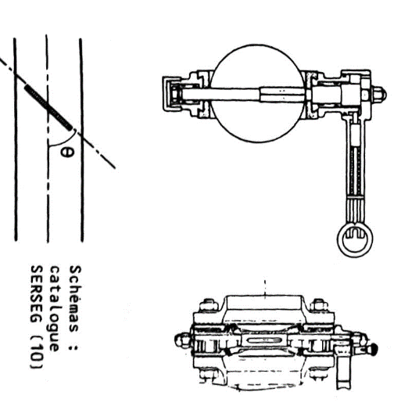
 | If resolution = flow for a given DP
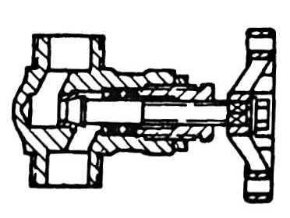
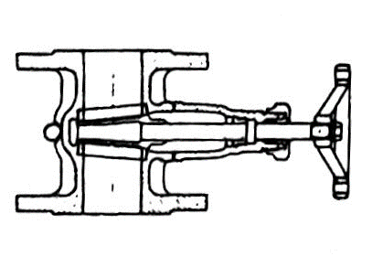
 | Available DP | 1.5 | bar
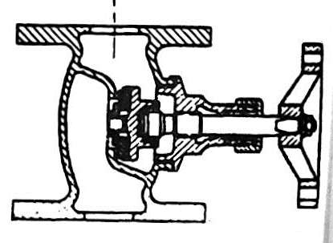
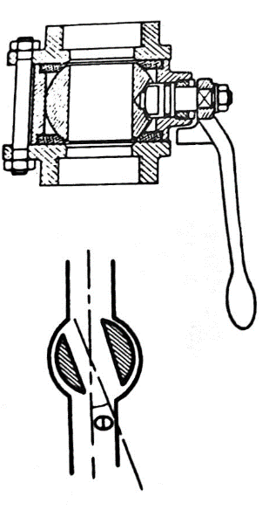
 | Available - Actual | 1.3134494361 |  | Bring this value to 0 by modifying the pipe flow in cell C17

 |  |  |  |  |  |  |  |  |  |  |  |  |  |  |  |  |  |  |  |  |  |  |  |  |  |  |  |  |  |  |  |  |  |  |  |  |  |  |  |  |  |  |  |  |  |  |  |  |  |  |  |  |  |  |  |  |  |  |  |  |  |  |  |  |  |  | Chose teta as 10,15,20,30,45
 | Pipe section | Fluid | Specific gravity | Dynamic viscosity | Pipe diameter | Pipe length | Height difference DZ | Roughness | Relative roughness |  | Volumetric flow | Fluid velocity | Reynolds | Moody friction factor |  |  | Flanged |  |  | Flanged |  |  | Flanged |  |  | Flanged
 |  |  | rho | mu | D | L | H | e | e/D | Qm | Qv | u | Re | A | B | f | 90° elbow |  | Standard | 90° elbow |  | Long radius | 45° elbow |  | Standard | 45° elbow |  | Long radius | Coupling |  |  | Globe valve |  | Open | Needle valve / plug disk |  | Open | Gate valve |  | Open | Butterfly valve |  | 0 | Ball Valve |  | 0 | Diaphragm |  | Open | Angle valve |  | Open | Tank inlet |  |  | Tank outlet |  |  | Sudden enlargement |  |  |  | Sudden contraction |  |  |  | Progressive enlargement |  |  |  | Progressive contraction |  |  |  |  |  | R.O
 |  |  | kg/m3 | Pa.s | m | m | m | mm |  | kg/h | m3/h | m/s |  |  |  |  | Number | k | Total k | Number | k | Total k | Number | k | Total k | Number | k | Total k | Number | k | Total k | Number | k | Total k | Number | k | Total k | Number | k | Total k | Number | k | Total k | Number | k | Total k | Number | k | Total k | Number | k | Total k | Number | k | Total k | Number | k | Total k | Number | D | k | Total k | Number | d | k | Total k | Number | teta | k | Total k | Number | teta | d | C | k | Total k | Number | d | k | Total k | k | Sum k | Valve and fitting pressure drop (Pa) | Straight pipe pressure drop | Elevation | Total | Pressure bar abs | % difference : pressure drop vs inlet pressure | Density | Choked flow check
 | Section 1 | Gas | 3.509 | 0.00043 | 0.1 | 100 | 0 | 0.045 | 0.00045 | 500 | 142.4907381 | 5.0441721288 | 4.12E+03 | 2.2028182706E+18 | 2.2802373658E+15 | 0.040753210875 | 0 | 0.75 | 0 | 0 | 0.45 | 0 | 0 | 0.35 | 0 | 0 | 0.2 | 0 | 0 | 0.04 | 0 | 0 | 6 | 0 | 0 | 9 | 0 | 0 | 0.17 | 0 | 0 | 0.48773052888 | 0 | 0 | 0 | 0 | 0 | 2.3 | 0 | 0 | 4 | 0 | 0 | 1 | 0 | 0 | 0.5 | 0 | 0 | 0.15 | 0.30864197531 | 0 | 0 | 0.02 | 0.4828024546 | 0 | 0 | 10 | 0.065 | 0 | 0 | 45 | 0.05 | 0.59640625 | 0.38965909274 | 0 | 0 | 0.01 | 27717.228 | 0 |  | 0 | 0 | 0.018192609625 | 0 | 0.018192609625 | 2.9918073904 | 0.2730869875 | 3.5001511131 | 1.0027383479 | 1.8929291587 | ok | 0 | 0
 | Section 2 | Gas | 3.5001511131 | 0.00043 | 0.1 | 100 | 0 | 0.045 | 0.00045 | 500 | 142.85097524 | 5.0569245235 | 4.12E+03 | 2.2028182706E+18 | 2.2802373658E+15 | 0.040753210875 | 0 | 0.75 | 0 | 0 | 0.45 | 0 | 0 | 0.35 | 0 | 0 | 0.2 | 0 | 0 | 0.04 | 0 | 0 | 6 | 0 | 0 | 9 | 0 | 0 | 0.17 | 0 | 0 | 0.48773052888 | 0 | 0 | 0 | 0 | 0 | 2.3 | 0 | 0 | 4 | 0 | 0 | 1 | 0 | 0 | 0.5 | 0 | 0 | 0.1 | 0 | 0 | 0 | 0.02 | 0.4828024546 | 0 | 0 | 10 | 0.065 | 0 | 0 | 45 | 0.05 | 0.59640625 | 0.38965909274 | 0 | 0 | 0.01 | 27717.228 | 0 |  | 0 | 0 | 0.018238603166 | 0 | 0.018238603166 | 2.9735687872 | 0.60961822693 | 3.478813554 | 1.0061335737 | 1.8929291587 | ok | 0 | 0
 | Section 3 | Gas | 3.478813554 | 0.00043 | 0.1 | 100 | 0 | 0.045 | 0.00045 | 500 | 143.72716222 | 5.0879415426 | 4.12E+03 | 2.2028182706E+18 | 2.2802373658E+15 | 0.040753210875 | 0 | 0.75 | 0 | 0 | 0.45 | 0 | 0 | 0.35 | 0 | 0 | 0.2 | 0 | 0 | 0.04 | 0 | 0 | 6 | 0 | 0 | 9 | 0 | 0 | 0.17 | 0 | 0 | 0.48773052888 | 0 | 0 | 0 | 0 | 0 | 2.3 | 0 | 0 | 4 | 0 | 0 | 1 | 0 | 0 | 0.5 | 0 | 0 | 0.1 | 0 | 0 | 0 | 0.02 | 0.4828024546 | 0 | 0 | 10 | 0.065 | 0 | 0 | 45 | 0.05 | 0.59640625 | 0.38965909274 | 0 | 0 | 0.02 | 1677.312 | 0 |  | 0 | 0 | 0.018350470982 | 0 | 0.018350470982 | 2.9552183162 | 0.6171194378 | 3.4573451193 | 1.0062095145 | 1.8929291587 | ok | 0 | 0
 | Section 4 | Gas | 3.4573451193 | 0.00043 | 0.1 | 100 | 0 | 0.045 | 0.00045 | 500 | 144.61963812 | 5.1195351893 | 4.12E+03 | 2.2028182706E+18 | 2.2802373658E+15 | 0.040753210875 | 0 | 0.75 | 0 | 0 | 0.45 | 0 | 0 | 0.35 | 0 | 0 | 0.2 | 0 | 0 | 0.04 | 0 | 0 | 6 | 0 | 0 | 9 | 0 | 0 | 0.17 | 0 | 0 | 0.48773052888 | 0 | 0 | 0 | 0 | 0 | 2.3 | 0 | 0 | 4 | 0 | 0 | 1 | 0 | 0 | 0.5 | 0 | 0 | 0.1 | 0 | 0 | 0 | 0.02 | 0.4828024546 | 0 | 0 | 10 | 0.065 | 0 | 0 | 45 | 0.05 | 0.59640625 | 0.38965909274 | 0 | 0 | 0.03 | 312.01990123 | 0 |  | 0 | 0 | 0.018464418498 | 0 | 0.018464418498 | 2.9367538977 | 0.62480725693 | 3.4357433761 | 1.0062873564 | 1.8929291587 | ok | 0 | 0
 | Section 5 | Gas | 3.4357433761 | 0.00043 | 0.1 | 100 | 0 | 0.045 | 0.00045 | 500 | 145.52891333 | 5.1517235318 | 4.12E+03 | 2.2028182706E+18 | 2.2802373658E+15 | 0.040753210875 | 0 | 0.75 | 0 | 0 | 0.45 | 0 | 0 | 0.35 | 0 | 0 | 0.2 | 0 | 0 | 0.04 | 0 | 0 | 6 | 0 | 0 | 9 | 0 | 0 | 0.17 | 0 | 0 | 0.48773052888 | 0 | 0 | 0 | 0 | 0 | 2.3 | 0 | 0 | 4 | 0 | 0 | 1 | 0 | 0 | 0.5 | 0 | 0 | 0.1 | 0 | 0 | 0 | 0.02 | 0.4828024546 | 0 | 0 | 10 | 0.065 | 0 | 0 | 45 | 0.05 | 0.59640625 | 0.38965909274 | 0 | 0 | 0.04 | 89.523 | 0 |  | 0 | 0 | 0.018580510878 | 0 | 0.018580510878 | 2.9181733869 | 0.63268872794 | 3.4140058151 | 1.0063671717 | 1.8929291587 | ok | 0 | 0
 | Section 6 | Gas | 3.4140058151 | 0.00043 | 0.1 | 100 | 0 | 0.045 | 0.00045 | 500 | 146.4555209 | 5.1845254399 | 4.12E+03 | 2.2028182706E+18 | 2.2802373658E+15 | 0.040753210875 | 0 | 0.75 | 0 | 0 | 0.45 | 0 | 0 | 0.35 | 0 | 0 | 0.2 | 0 | 0 | 0.04 | 0 | 0 | 6 | 0 | 0 | 9 | 0 | 0 | 0.17 | 0 | 0 | 0.48773052888 | 0 | 0 | 0 | 0 | 0 | 2.3 | 0 | 0 | 4 | 0 | 0 | 1 | 0 | 0 | 0.5 | 0 | 0 | 0.1 | 0 | 0 | 0 | 0.02 | 0.4828024546 | 0 | 0 | 10 | 0.065 | 0 | 0 | 45 | 0.05 | 0.59640625 | 0.38965909274 | 0 | 0 | 0.05 | 31.5 | 0 |  | 0 | 0 | 0.01869881618 | 0 | 0.01869881618 | 2.8994745707 | 0.64077125316 | 3.3921298472 | 1.0064490361 | 1.8929291587 | ok | 0 | 0
 | Section 7 | Gas | 3.3921298472 | 0.00043 | 0.1 | 100 | 0 | 0.045 | 0.00045 | 500 | 147.40001784 | 5.2179606316 | 4.12E+03 | 2.2028182706E+18 | 2.2802373658E+15 | 0.040753210875 | 0 | 0.75 | 0 | 0 | 0.45 | 0 | 0 | 0.35 | 0 | 0 | 0.2 | 0 | 0 | 0.04 | 0 | 0 | 6 | 0 | 0 | 9 | 0 | 0 | 0.17 | 0 | 0 | 0.48773052888 | 0 | 0 | 0 | 0 | 0 | 2.3 | 0 | 0 | 4 | 0 | 0 | 1 | 0 | 0 | 0.5 | 0 | 0 | 0.1 | 0 | 0 | 0 | 0.02 | 0.4828024546 | 0 | 0 | 10 | 0.065 | 0 | 0 | 45 | 0.05 | 0.59640625 | 0.38965909274 | 0 | 0 | 0.06 | 12.035160494 | 0 |  | 0 | 0 | 0.018819405521 | 0 | 0.018819405521 | 2.8806551651 | 0.64906261677 | 3.3701128005 | 1.0065330296 | 1.8929291587 | ok | 0 | 0
 | Section 8 | Gas | 3.3701128005 | 0.00043 | 0.1 | 100 | 0 | 0.045 | 0.00045 | 500 | 148.36298652 | 5.252049723 | 4.12E+03 | 2.2028182706E+18 | 2.2802373658E+15 | 0.040753210875 | 0 | 0.75 | 0 | 0 | 0.45 | 0 | 0 | 0.35 | 0 | 0 | 0.2 | 0 | 0 | 0.04 | 0 | 0 | 6 | 0 | 0 | 9 | 0 | 0 | 0.17 | 0 | 0 | 0.48773052888 | 0 | 0 | 0 | 0 | 0 | 2.3 | 0 | 0 | 4 | 0 | 0 | 1 | 0 | 0 | 0.5 | 0 | 0 | 0.1 | 0 | 0 | 0 | 0.02 | 0.4828024546 | 0 | 0 | 10 | 0.065 | 0 | 0 | 45 | 0.05 | 0.59640625 | 0.38965909274 | 0 | 0 | 0.07 | 4.5195218659 | 0 |  | 0 | 0 | 0.018942353255 | 0 | 0.018942353255 | 2.8617128119 | 0.65757100967 | 3.3479519157 | 1.0066192363 | 1.8929291587 | ok | 0 | 0
 | Section 9 | Gas | 3.3479519157 | 0.00043 | 0.1 | 100 | 0 | 0.045 | 0.00045 | 500 | 149.34503619 | 5.286814281 | 4.12E+03 | 2.2028182706E+18 | 2.2802373658E+15 | 0.040753210875 | 0 | 0.75 | 0 | 0 | 0.45 | 0 | 0 | 0.35 | 0 | 0 | 0.2 | 0 | 0 | 0.04 | 0 | 0 | 6 | 0 | 0 | 9 | 0 | 0 | 0.17 | 0 | 0 | 0.48773052888 | 0 | 0 | 0 | 0 | 0 | 2.3 | 0 | 0 | 4 | 0 | 0 | 1 | 0 | 0 | 0.5 | 0 | 0 | 0.1 | 0 | 0 | 0 | 0.02 | 0.4828024546 | 0 | 0 | 10 | 0.065 | 0 | 0 | 45 | 0.05 | 0.59640625 | 0.38965909274 | 0 | 0 | 0.08 | 1.4529375 | 0 |  | 0 | 0 | 0.019067737166 | 0 | 0.019067737166 | 2.8426450747 | 0.66630505644 | 3.3256443428 | 1.0067077446 | 1.8929291587 | ok | 0 | 0
 | Section 10 | Gas | 3.3256443428 | 0.00043 | 0.1 | 100 | 0 | 0.045 | 0.00045 | 500 | 150.34680455 | 5.322276881 | 4.12E+03 | 2.2028182706E+18 | 2.2802373658E+15 | 0.040753210875 | 0 | 0.75 | 0 | 0 | 0.45 | 0 | 0 | 0.35 | 0 | 0 | 0.2 | 0 | 0 | 0.04 | 0 | 0 | 6 | 0 | 0 | 9 | 0 | 0 | 0.17 | 0 | 0 | 0.48773052888 | 0 | 0 | 0 | 0 | 0 | 2.3 | 0 | 0 | 4 | 0 | 0 | 1 | 0 | 0 | 0.5 | 0 | 0 | 0.1 | 0 | 0 | 0 | 0.02 | 0.4828024546 | 0 | 0 | 10 | 0.065 | 0 | 0 | 45 | 0.05 | 0.59640625 | 0.38965909274 | 0 | 0 | 0.09 | 0.27885200427 | 0 |  | 0 | 0 | 0.019195638678 | 0 | 0.019195638678 | 2.8234494361 | 0.67527384436 | 3.3031871364 | 1.0067986479 | 1.8929291587 | ok | 0 | 0
 |  |  |  |  |  |  |  |  |  |  |  |  |  |  |  |  |  |  |  |  |  |  |  |  |  |  |  |  |  |  |  |  |  |  |  |  |  |  |  |  |  |  |  |  |  |  |  |  |  |  |  |  |  |  |  |  |  |  |  |  |  |  |  |  |  |  |  |  |  |  |  |  |  |  |  |  |  |  |  |  |  |  | 0 | 0.18655056395 | 0 | 0.18655056395 |  |  |  |  |  |  | 0
 | Sources
 | Perry page 6-18 |  |  |  |  |  |  |  |  |  |  |  |  |  |  |  |  |  |  |  |  |  |  |  |  |  |  |  |  |  |  |  |  |  |  |  |  |  |  |  |  |  |  |  |  |  |  |  | 90
 | Mecanique et Rheologies des fluides en genie chimique, Midoux, page 329-330
 | Applied Process Design Volume 1 - Ludwig - Gulf Professional page 69

 | If you spot a mistake or wish to suggest an improvement, please contact : contact@myengineeringtools.com

 | Copyright www.MyEngineeringTools.com

 | The content of MyEngineeringTools.com is copyrighted but no warranty nor liability is ensured. The content of this site is to be seen as a help and important information and calculation must always be double checked by the user through the quality procedure of his organization or by checking another source. The user must always respect all applicable regulation. The use of the information is at the user and its organization own risk and own cost.

FOR EDUCATIONAL PURPOSE ONLY – DO NOT USE THIS METHOD FOR DETAIL DESIGN – ALWAYS CONSULT A REPUTABLE SUPPLIER FOR DETAIL DESIGN

